PCE Testsheet
 |  |  |  |  |  |  |  |  |  |  |  |  |  |  |  |  |  |  |  |  |  |  |  | 81
 |  |  |  |  |  |  |  |  |  |  |  |  |  |  |  |  |  |  |  |  |  | CBM CONDITION |  | NORMAL
DISTRIBUTION SUBSTATION (PCE) CBA TEST SHEET
STATE / AREA: |  | JOHOR / JOHOR BAHRU |  |  |  |  |  |  | DATE |  |  |  |  |  | 14/07/26 |  |  |  |  |  |  | FUNCTIONAL LOCATION:
PE NAME: |  | O/D KG MAJU JAYA NO.1 |  |  |  |  |  |  | TIME IN / OUT |  |  |  |  |  | 2050 |  | / | 2140 |  |  |  | JJBU/PCE/K00191
V.I REF. NO |  |  |  |  |  |  |  |  | TEV BACK GROUND / HUMIDITY |  |  |  |  |  | 6 | dB | / | 68 |  | % |  | BACKGROUND TEMP : 32.9°C
SWITCHGEAR
DETAIL |  |  |  |  |  |  |  |  | TEMPERATURE |  |  |  |  |  |  | ULTRASOUND |  |  | TEV |  |  | REMARK
NO. | FDR. NO | FEEDER NAME |  | STATUS (TRIP / CLOSE) | LOAD (A) | CABLE TYPE/SIZE | HEATER (A) | SERIAL NO (ONLY BREAKER & OLU) | COMP | Tmin (°C) | Tmax (°C) | ΔT | Avg (°C) | FILE | REMARKS | dB | FILE | TYPE CHAR. | dB | PULSE/ CYCLE | TYPE CHAR.
1 | 2854 | PDT KG.MAJU JAYA |  | CLOSE |  | XLPE |  |  | CABLE | 31.3 | 31.4 |  |  | 248 |  | 0 |  |  | 6
 |  |  |  |  |  |  |  |  | BREAKER
 |  |  |  |  |  |  |  |  | TOP PANEL
 |  |  |  |  |  |  |  |  | PT
2 | 2852 | PAT KG MAJU JAYA NO.2 |  | CLOSE |  | XLPE |  |  | CABLE | 31.5 | 31.6 |  |  | 249 |  | 0 |  |  | 6
 |  |  |  |  |  |  |  |  | BREAKER
 |  |  |  |  |  |  |  |  | TOP PANEL
 |  |  |  |  |  |  |  |  | PT
3 | 2853 | TX 1000KVA |  | CLOSE |  | XLPE |  |  | CABLE | 31.3 | 31.4 |  |  | 250 |  | 0 |  |  | 6
 |  |  |  |  |  |  |  |  | BREAKER
 |  |  |  |  |  |  |  |  | TOP PANEL
 |  |  |  |  |  |  |  |  | PT
4 |  |  |  |  |  |  |  |  | CABLE
 |  |  |  |  |  |  |  |  | BREAKER
 |  |  |  |  |  |  |  |  | TOP PANEL
 |  |  |  |  |  |  |  |  | PT
OVERVIEW |  |  |  |  |  |  |  |  | CABLE |  |  |  | 31.8 | 242
 |  |  |  |  |  |  |  |  | BREAKER
 |  |  |  |  |  |  |  |  | TOP PANEL |  |  |  | 31.5 | 246
 |  |  |  |  |  |  |  |  | PT
LOCAL TRANSFORMER
DETAILS |  |  |  |  | THERMOGRAHY |  |  |  |  | ULTRASOUND |  | DETAILS |  |  |  | THERMOGRAHY |  |  |  |  |  | ULTRASOUND
TX ID | SERIAL NO | CABLE TYPE/SIZE | REMARK | COMP. | Tmin(°C) | Tmax(°C) | ΔT | Avg (°C) | FILE | dB | TYPE CHAR. | TX ID | SERIAL NO | CABLE TYPE/SIZE | COMP. | Tmin(°C) | Tmax(°C) | ΔT | Avg (°C) | FILE | dB | FILE | TYPE CHAR. | REMARKS
TX1 |  | XLPE |  | HT CABLE | 32.0 | 32.2 |  |  | 254 | 0 |  | TX3 |  |  | HT CABLE
 |  |  |  | HT BUSHING | 35.3 | 35.5 |  |  | 253 | 0 |  |  |  |  | HT BUSHING
 |  | XLPE |  | LV CABLE | 33.5 | 33.8 |  |  | 256 |  |  |  |  |  | LV CABLE
 |  |  |  | LV BUSHING | 35.8 | 36.1 |  |  | 255 |  |  |  |  |  | LV BUSHING
 |  |  |  | BODY | 37.5 | 42.7 |  |  | 251 |  |  |  |  |  | BODY
TX2 |  |  |  | HT CABLE |  |  |  |  |  |  |  | TX4 |  |  | HT CABLE
 |  |  |  | HT BUSHING |  |  |  |  |  |  |  |  |  |  | HT BUSHING
 |  |  |  | LV CABLE |  |  |  |  |  |  |  |  |  |  | LV CABLE
 |  |  |  | LV BUSHING |  |  |  |  |  |  |  |  |  |  | LV BUSHING
 |  |  |  | BODY |  |  |  |  |  |  |  |  |  |  | BODY
LV DISTRIBUTION BOARD/FEEDER PILLAR/OTHERS
1 | LVDB / FP 1 |  | INC. 1 | INC. 2 |  | INC. 3 |  | F1 | F2 | F3 | F4 | F5 | F6 | F7 | F8 | F9 | F10
 | CABLE TYPE / SIZE |  | XLPE |  |  |  |  | XLPE | XLPE | XLPE
2 | LVDB / FP 2 |  | INC. 1 | INC. 2 |  | INC. 3 |  | F1 | F2 | F3 | F4 | F5 | F6 | F7 | F8 | F9 | F10
 | CABLE TYPE / SIZE
NO | LVDB / FP | DEFECTIVE FEEDER NAME |  | Tmin(°C) | Tmax(°C) | ΔT | FILE | Avg (°C) | REMARK |  |  |  |  |  |  |  | FP |  | TX1 |  | J-SLOTTED
 | INC 1 |  |  |  |  |  |  |  |  |  |  |  |  |  |  |  | Manufacturer : |  |  |  | N/A
 | INC 2 |  |  |  |  |  |  |  |  |  |  |  |  |  |  |  | Serial No. : |  |  |  | N//A
 | F1 |  |  |  |  |  |  |  |  |  |  |  |  |  |  |  | Rating : |  |  |  | 800A
 | F2 |  |  |  |  |  |  |  |  |  |  |  |  |  |  |  | LVDB |  | TX2
 | F3 |  |  |  |  |  |  |  |  |  |  |  |  |  |  |  | Manufacturer :
 | F4 |  |  |  |  |  |  |  |  |  |  |  |  |  |  |  | Serial No. :
 | F5 |  |  |  |  |  |  |  |  |  |  |  |  |  |  |  | Rating :
 | F6
 | F7
 | F8
 | Battery Bank
 | Black Box 1
 | Black Box 2
 | Lightning Arrester
 | Dropout Fuse
 | Auto Recloser
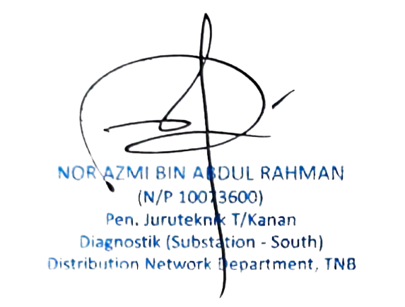
 | LBS
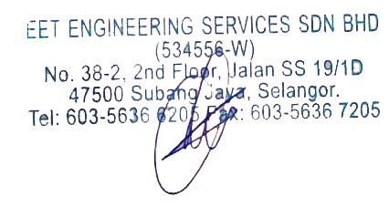

 | Tested by (Name & Signature) : |  |  |  |  |  |  |  |  |  |  |  |  |  | TNB Supervisor/Engineer (Name & Signature) :

 |  |  |  |  |  |  |  |  |  |  |  |  |  |  |  |  |  |  |  |  |  |  |  | Ver. : 1-2019

PCE VI
Vi no mat, |  |  |  |  |  |  |  |  |  |  | TYPE | PCE

VISUAL INSPECTION CHECKLIST FOR 11kV SUBSTATION

DATE:
P/E Name (ERMS): |  |  |  |  |  |  |  | F/L NO (ERMS):
P/E Name (SITE): | PE O/DOOR KG MAJU JAYA # 1 |  |  |  |  |  |  | F/L NO (SITE): | JJBU/PCE/K00191
GPS Coordinate: | 1.583366, 103.718120
PCE Type: | INDOOR |  |  | OUTDOOR | ✅ | COMPACT |  | ATTACH BUILDING |  | PAT |  | OTHER
PCE Area | NORMAL | ✅ |  | INDUSTRIAL |  | COASTAL
Switcgear Type 1: | RMU OIL |  |  | RMU SF6 | ✅ | MRMU |  | VCB |  | OCB |  | OTHER
Manufacturer/Model: | INDKOM |  |  | INS24
Switchgear Manufactured Date: | 03/08/2015 |  |  |  |  | Switchgear Rating : |  | 12kV |  |  | RMU SF6 / OIL S/N : |  | 15072115279DE
Switcgear Type 2: | RMU OIL |  |  | RMU SF6 |  | MRMU |  | VCB |  | OCB
Manufacturer/Modal:
Switchgear Manufactured Date: |  |  |  |  |  | Switchgear Rating : |  |  |  |  | RMU SF6 / OIL S/N :
No. of Transformer: | 1
Tx 1: | Type | H/S | KVA | 1000kVA | Construction Yr: |  | 2015 | Manufacturer: | SGB |  |  | S/N : | 727812
Tx 2: | Type |  | KVA |  | Construction Yr: |  |  | Manufacturer: |  |  |  | S/N :
Tx 3: | Type |  | KVA |  | Construction Yr: |  |  | Manufacturer: |  |  |  | S/N :
Tx 4: | Type |  | KVA |  | Construction Yr: |  |  | Manufacturer: |  |  |  | S/N :
KEJANGGALAN
1. Signboard: |  | Good | ✅ | Not Good |  | Remarks
2. Earth connection: |  | Good | ✅ | Not Good |  | Remarks
3. EFI Functioning: |  | Good | ✅ | Not Good |  | Remarks
4. Heater Functioning: |  | Good |  | Not Good |  | Remarks
5. Labelling @Switchgear: |  | Good | ✅ | Not Good |  | Remarks
6. Labelling @ LVDB: |  | Good | ✅ | Not Good |  | Remarks
7. Gas Pressure: |  | Good | ✅ | Not Good |  | Remarks
8. Tx Guard: |  | YES | ✅ | NO |  | Remarks
9. Tx Oil Level (conservator tank): |  | Good |  | Not Good |  | Remarks
10. Tx Oil Leak: |  | YES |  | NO | ✅ | Remarks
11. Tx Bushing: |  | Good | ✅ | Not Good |  | Remarks
12. Top Demand Indicator (@LVDB): |  | Good | ✅ | Not Good |  | Remarks
13. Link/fuse Holder: |  | Good | ✅ | Not Good |  | Remarks
14. LV Termination: |  | Good | ✅ | Not Good |  | Remarks
15. Rubber Mat: |  | YES |  | NO | ✅ | Remarks
16. Trenching: |  | Good | ✅ | Not Good |  | Remarks
17. Battery Voltage: |  | Good |  | Not Good |  | Remarks
18. Lighting: |  | Good | ✅ | Not Good |  | Remarks
19. Roof Condition: |  | Good | ✅ | Not Good |  | Remarks
20. Fire Fighting |  | Valid | ✅ | Expired |  | Remarks | Expiry Date: 11/9/26 |  |  | No. of missing portable : |  | -
21. Fence/door condition: |  | Good | ✅ | Not Good |  | Remarks
22. Cleanliness/Bushes: |  | YES |  | NO | ✅ | Remarks
23. Vandalisme |  | YES |  | NO | ✅ | Remarks
24. Other Findings:
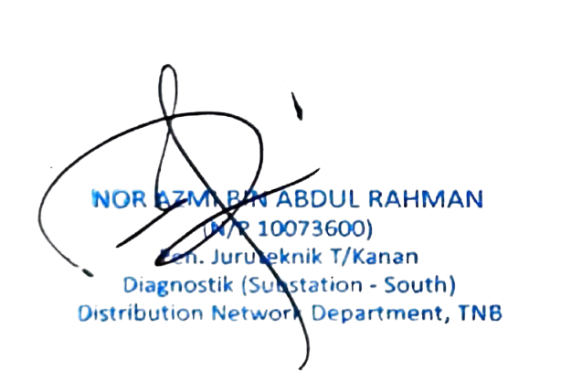

Tested by (Name & Signature) : |  |  |  |  |  | TNB Supervisor / Engineer (Name & Signature) :

Date : |  |  |  |  |  | Date :

 |  |  |  |  |  |  |  |  |  |  |  |  | Ver. : 1-2019

